solution
Business problem/objective
 |  | To analyze customer reviews and predict customer satisfaction with the reviews.
 |  |  | Identify key positive/negative words
 |  |  | Classify the reviews into positive and negative
 |  |  | Identify key themes using topic modelling

Approach for the problem
 |  | Build a WordCloud to identify the top words
 |  | Build multiple classification models to classify the reviews into positive and negative
 |  | Build a topic model using LDA

Data understanding
 |  | The Bank reviews dataset has 4 variables
 |  | Reviews' and 'Stars' are the key variables
 |  | Derived variable: Length of review

Data exploratory analysis
 |  | Distribution of positive and negative reviews

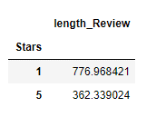

 |  |  | The number of reviews having overall negative sentiment is more than the reviews having overall positive sentiment

 |  | Relationship between Star rating and length of review

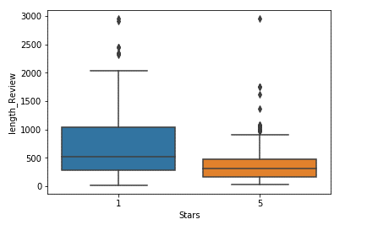

 |  |  | It is evident that the negative reviews tend to have more length/content compared to the positive reviews.

Identify key positive/negative words

 | Filter out the positive and negative words seperately
 | Build separate wordclouds for postive and negative words

 | Positive Word Cloud

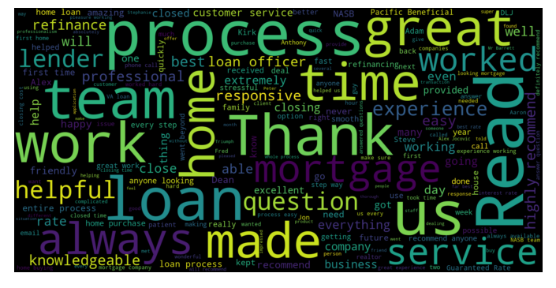

 | Negative Word Cloud

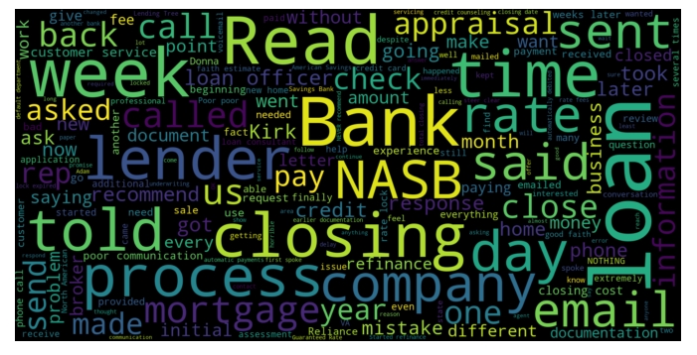

Classifier model to predict the sentiment

 | Three classifying algorithms were used for model building:
 |  | Naïve Bayes
 |  | Logistic Regression
 |  | Support Vector Classifier

 | All the above models were build for data built using:
 |  | Count Vectorizer
 |  | tf-idf
 |  | ngram tf-idf
 |  | character level tf-idf

 | Goodness of fit metrics (Best model from each algorithm)

 |  |  | Naïve Bayes |  | Logistic Regression |  | SVC
 |  |  | Train | Test | Train | Test | Train | Test
 |  | Accuracy | 0.98 | 0.9473 | 0.994 | 0.947 | 0.872 | 0.802
 |  | Precision | 0.937 | 0.87 | 0.968 | 0.774 | 0.296 | 0.06
 |  | f1_score | 0.944 | 0.87 | 0.984 | 0.857 | 0.457 | 0.117

 | Clearly, based on the metrics, Naive Bayes model is the best model.

Topic Modelling

 | Topic modelling is achieved by building a LDA model and obtaining the top topics.

Quanitify business outcome from this model

 | The review sentiment classifier can be used to identify the sentiments of the reviewers.
 | The classifier can be used on any large datasets.
 | The business can easily segregate the reviews based on the sentiment
 | The topic modelling will be helpful for the business to identify the key concerns of the customers

Pros & cons of the models
 | Pros:
 | The model can be applied on larger datasets and still provide valid results
 | Easily interpretable results
 | Requires less training data

 | Cons:
 | The current model is binomial classification, same model cant be used if multiple ratings are available.

Implementation tool (if applicable) based on final model choosen
 | For a new review, follow the data preperation steps and predict the sentiment using the best model Naïve Bayes Classifier

